IZ RSP Messaging Diagram
2015-05-07 | Draft 1 IZ RSP Message Diagram
 | ONC Immunization Certification Criterion for Request, Access, Display Evaluated Immunization History and Forecast

 | 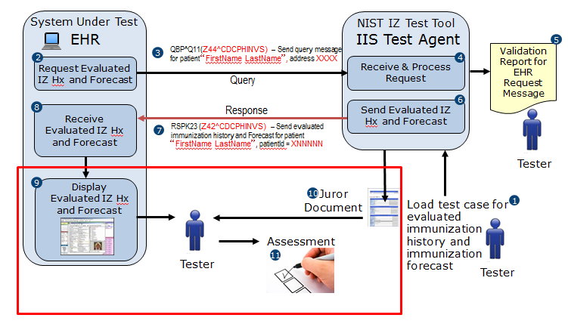

 | Steps in the Request, Access, Display Process Flow
 | • The EHR creates and sends a query message to the NIST Test Tool IIS Test Agent requesting a patient’s Evaluated Immunization History and Forecast records • The query message is received and processed by the NIST IIS Test Agent • A Validation Report is generated by the NIST IIS Test Agent, and the Tester analyzes the Validation Report to determine if the query message is conformant to the immunization query message requirements • The NIST IIS Test Agent creates and sends a response message containing the patient’s Evaluated Immunization History and Forecast records • The EHR receives the response message and displays the patient’s Evaluated Immunization History and Forecast records • The Tester obtains the Juror Document from the NIST IIS Test Agent and uses the Juror Document to assess whether the EHR is conformant to the Display requirements

